Summary
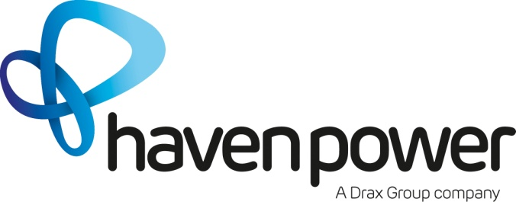
Product
Haven Standard NHH

Third Party Costs
Charges Included in the Charges stated for each Premises: |  | To get a price please select from the filters in yellow the Region, PC, EAC, SSD & Rate Structure (as per current setup on Ecoes) and finally length contract. Then add in your required commision in either of the blue boxes to receive your quote
- Energy | FIXED
- Transmission Network Use of System Charges (TNUoS) | INCLUDED (SUBJECT TO THRESHOLD)
- Distribution Use of System Charges (DUoS) | INCLUDED (SUBJECT TO THRESHOLD)
- Balancing System Use of System Charges (BSUoS) | INCLUDED (SUBJECT TO THRESHOLD)
- Renewables Obligation (RO) | INCLUDED (SUBJECT TO THRESHOLD)
- FiT Costs (FiT) | INCLUDED (SUBJECT TO THRESHOLD) | Prices quoted are exclusive of CCL & VAT
- DA Charges | FIXED | Haven Power SME contracts are now offered with Biomass Renewable Electricity (BRE) at no additional cost.
- DC Charges | FIXED
- Settlements | FIXED | Prices provided are for Direct debit payments
- Assistance for Areas with High Electricity Distribution Costs (AAHEDC) | FIXED | Prices are subject to credit approval
-------------------------------------------------------- |  | Haven Power reserves the right to withdraw prices prior to contract as a result of changing market conditions
Charges in addition to the Charges stated for each Premises:
- CfD Costs (CfD) | PASS THROUGH | All prices provided are subject to Terms and Conditions: Standard SME Version: hpower114/06.02.17
- Capacity Market (CM) | PASS THROUGH

